Basic Report
ID | Text | Picture/image Rob | Severity | Assembly Hours | Assignee | Author | Client Topics | Customer Communication | Cost Range | Due Date | Engineering Hours (One Time) | Machine Model | Page Number | ROB Compliance | ROB Criticality | Type | User Topics | Value Comment | Title | Page | Parameter Name | Parameter Value | test-source-default-b | test-source-default-a | test-source-default | vv-test-change-file
EXTID-1 | In addition, manuals are subject to change without notice. | 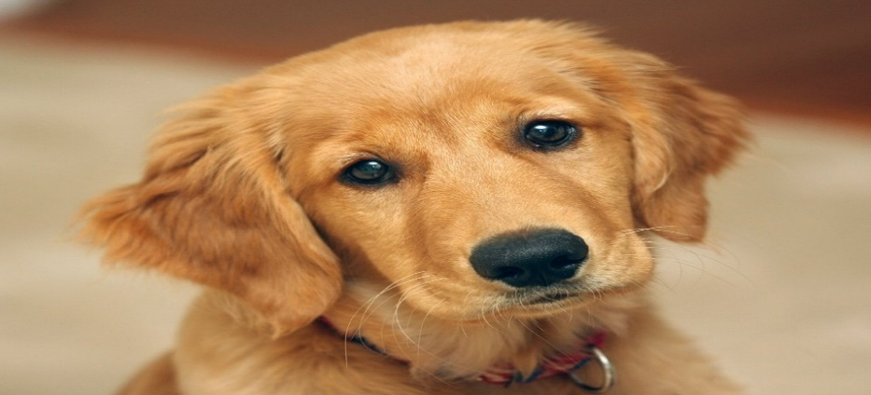 | Should Have |  | Frank White | Ruben Percy (Project Manager) | emc | cc #1 |  |  |  |  |  | Open | 1 | ROB | voltage |  | General | 1 | p1 | 123 | abd | test-d-dd | test-bb | atv-a
EXTID-2 | Please contact your local Siemens office to order a current version or refer to our website. | Jet here | Should Have |  | Frank White | Ruben Percy (Project Manager) | fsm |  |  |  |  |  |  | Open | 2 | ROB | voltage |  | 1.5 Technical specs | 1 | p2 | 456 | abd | test-d-dd | test-bb | atv-a
EXTID-3 |  | 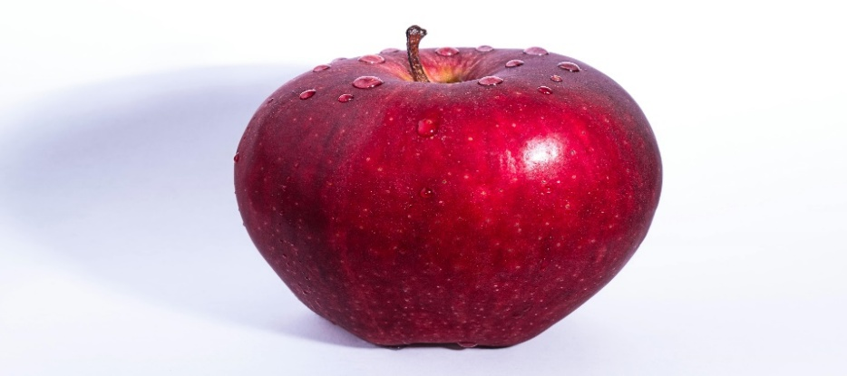 | Should Have |  |  |  | emc |  |  |  |  |  |  | Open | 3 | ROB | voltage |  | 1. Introduction | 2 | p3 | abc | abd | test-d-dd | test-bb | atv-a
EXTID-4 | EXTID-3 - Ultrasound Systems for example XT12, XL419 etc. with EU-123 regulation are also covered in this tender document | ice cream here | Should Have |  |  |  | fsm | cc #4 |  |  |  |  |  | Open | 3 | ROB | voltage |  | 2. This is new | 2 | p4 | def | abd | test-d-dd | test-bb | atv-a
EXTID-5 | 123 | This is mm rob text1 |  |  |  |  |  |  |  |  |  |  |  |  |  |  |  |  | 3. wow
EXTID-6 | 4566 | 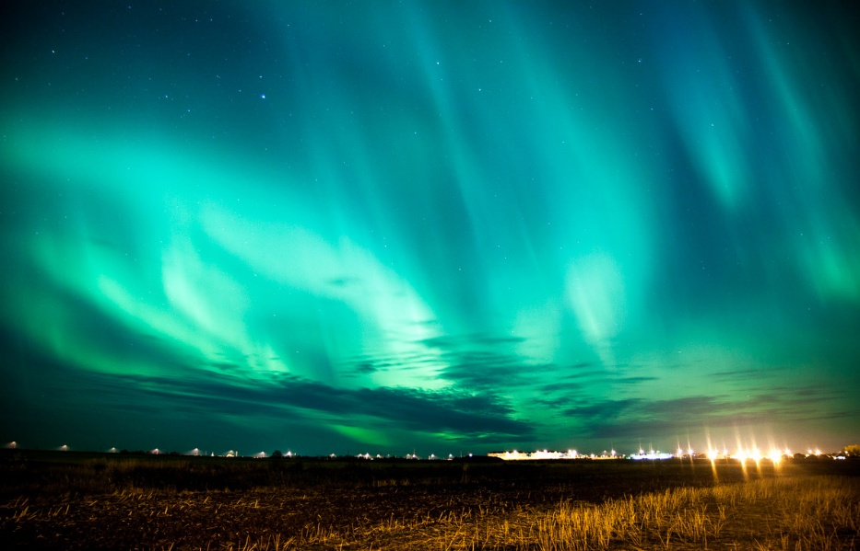 This is mm rob text2 |  |  |  |  |  |  |  |  |  |  |  |  |  |  |  |  | 4. unbelievable
 | 2-images
 | 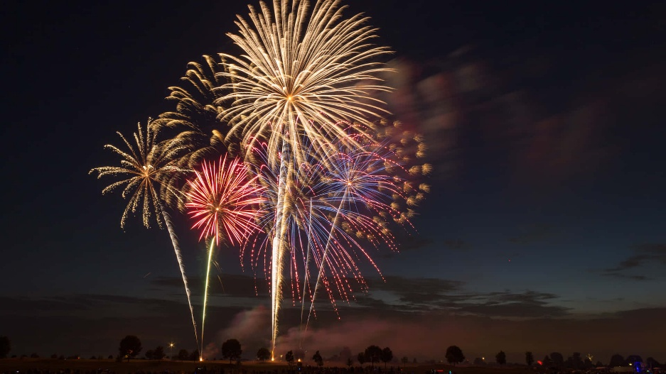 2-images+1 text | I am dummy text

